Table 1

Selected Acquisition Report (SAR)
RCS: DD-A&T(Q&A)823-531
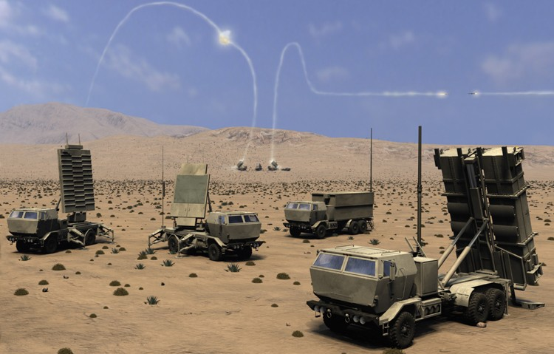
Patriot/Medium Extended Air Defense System Combined Aggregate Program (Patriot/MEADS CAP)
As of FY 2015 President's Budget
Defense Acquisition Management Information Retrieval
(DAMIR)

Table 33
Fire Unit
Unit Cost History
 |  |  |  |  |  |  | BY2004 $M |  |  |  |  | TY $M
 |  |  | Date |  |  |  | PAUC |  | APUC |  |  | PAUC |  | APUC
Original APB |  |  | AUG 2004 |  |  |  | 344.385 |  | 249.981 |  |  | 454.988 |  | 345.508
APB as of January 2006 |  |  | AUG 2004 |  |  |  | 344.385 |  | 249.981 |  |  | 454.988 |  | 345.508
Revised Original APB |  |  | N/A |  |  |  | N/A |  | N/A |  |  | N/A |  | N/A
Prior APB |  |  | N/A |  |  |  | N/A |  | N/A |  |  | N/A |  | N/A
Current APB |  |  | AUG 2004 |  |  |  | 344.385 |  | 249.981 |  |  | 454.988 |  | 345.508
Prior Annual SAR |  |  | DEC 2012 |  |  |  | N/A |  | N/A |  |  | N/A |  | N/A
Current Estimate |  |  | DEC 2013 |  |  |  | N/A |  | N/A |  |  | N/A |  | N/A
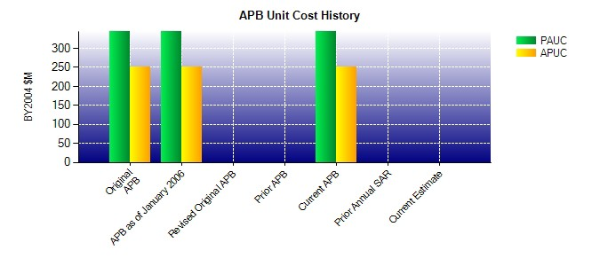
SAR Unit Cost History
Current SAR Baseline to Current Estimate (TY $M)
Initial PAUC Dev Est | Changes |  |  |  |  |  |  |  |  |  |  |  | PAUC Current Est
 | Econ | Qty |  | Sch | Eng | Est |  | Oth |  | Spt | Total
454.988 0.000 0.000 0.000 0.000 0.000 0.000 0.000 0.000 0.000

Table 36
Missile
Unit Cost History
 |  |  |  |  |  |  | BY2004 $M |  |  |  |  | TY $M
 |  |  | Date |  |  |  | PAUC |  | APUC |  |  | PAUC |  | APUC
Original APB |  |  | AUG 2004 |  |  |  | 4.071 |  | 3.770 |  |  | 5.272 |  | 4.957
APB as of January 2006 |  |  | AUG 2004 |  |  |  | 4.071 |  | 3.770 |  |  | 5.272 |  | 4.957
Revised Original APB |  |  | N/A |  |  |  | N/A |  | N/A |  |  | N/A |  | N/A
Prior APB |  |  | N/A |  |  |  | N/A |  | N/A |  |  | N/A |  | N/A
Current APB |  |  | AUG 2004 |  |  |  | 4.071 |  | 3.770 |  |  | 5.272 |  | 4.957
Prior Annual SAR |  |  | DEC 2012 |  |  |  | 4.442 |  | 3.984 |  |  | 6.327 |  | 5.813
Current Estimate |  |  | DEC 2013 |  |  |  | 4.326 |  | 3.867 |  |  | 6.220 |  | 5.706
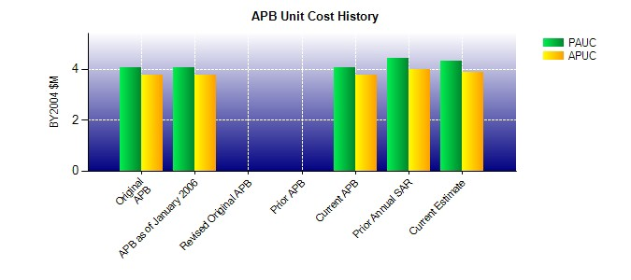
SAR Unit Cost History
Current SAR Baseline to Current Estimate (TY $M)
Initial PAUC Dev Est | Changes |  |  |  |  |  |  |  |  |  |  |  | PAUC Current Est
 | Econ | Qty |  | Sch | Eng | Est |  | Oth |  | Spt | Total
5.272 0.189 0.000 0.309 0.000 0.408 0.000 0.042 0.948 6.220

